DC转接头
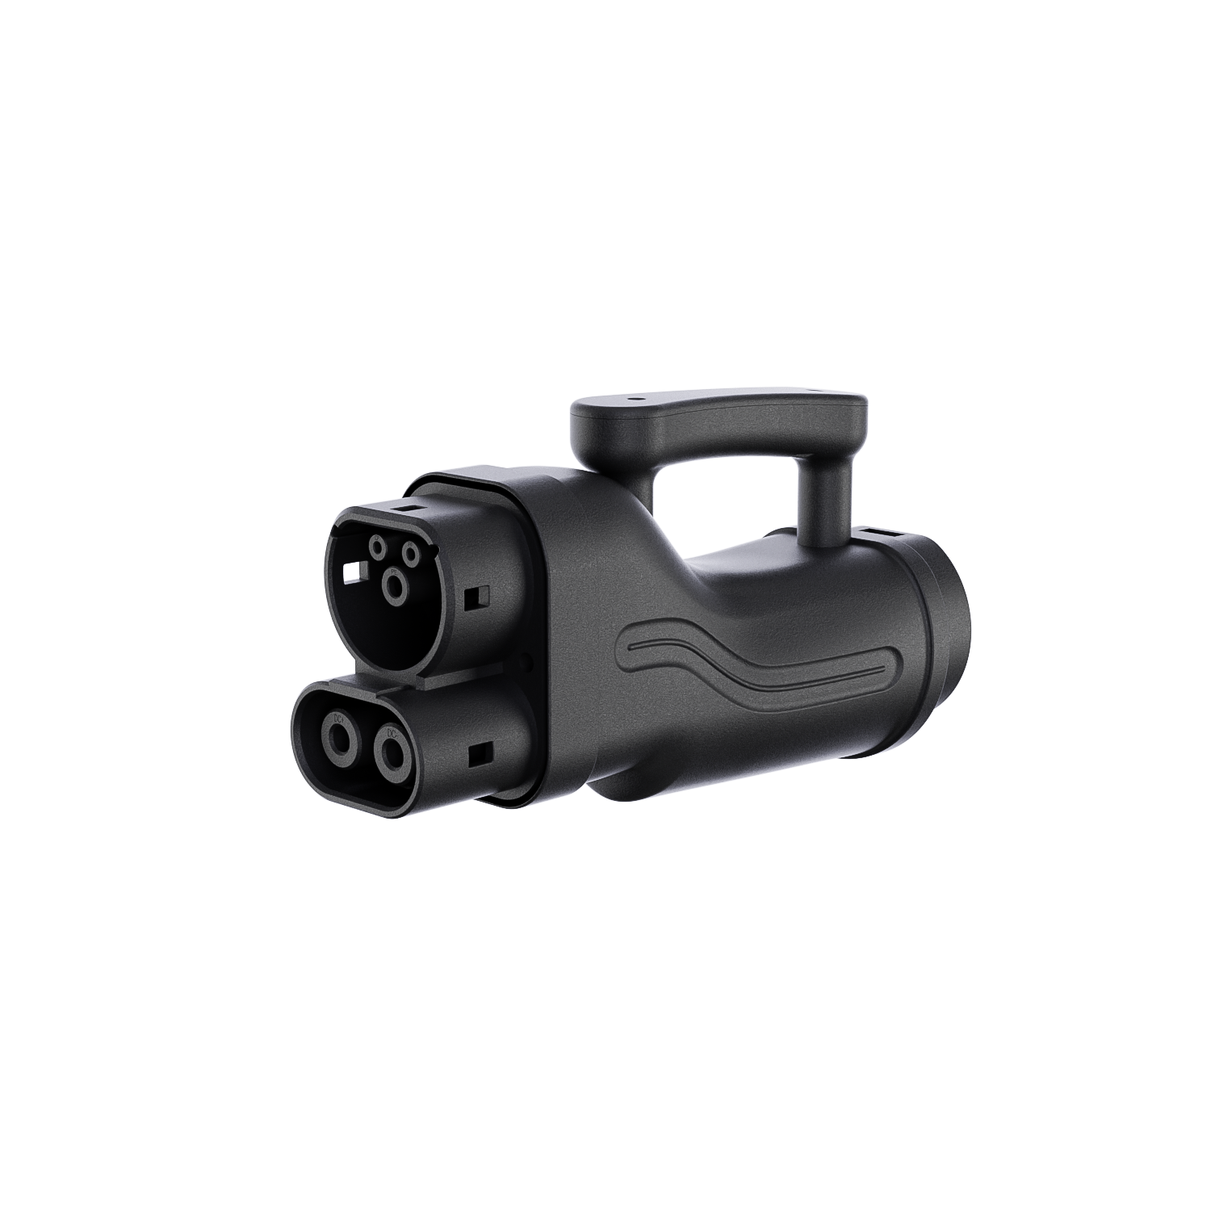
GB/T-CCS2
产品名称/GB/T-CCS2） | GB/T - CCS2 Adapter（Universal model）
型号 | GB/T-CCS2 | 268*130*87
输出电流 | 300A Max | 2.15/1.48KG
充电功率 | 300Kw Max
输入电压 | 100-1000V
智能应用 | App+OTA+log
外壳材料 | PA66+25% GF
输出检测 | Over Temperature Protection; Ground Protection
工作温度 | -30℃~+50℃
工作湿度 | 20%-85%
净重 | 1.45kg
毛重 | 2.30kg
标准 | EN IEC 62196
产品尺寸 | 265.5mm(L)*Φ96mm(W)*145.5mm(H)
包装尺寸 | 312mm(L)*212mm(W)*155mm(H)

CCS2-GB/T
产品名称 | CCS2-GB/T Adapter | 297*160*75
型号 | CCS2-GB/T | 2.85/1.89KG
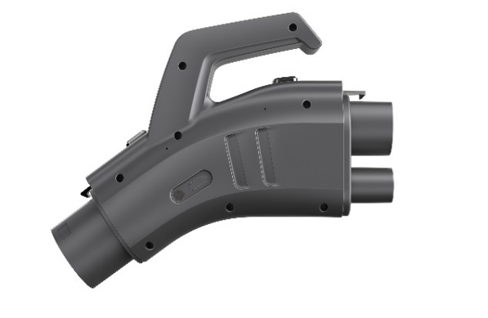
输出电流 | 300A Max
充电功率 | 300Kw Max
输入电压 | 100-1000V
智能应用 | App+OTA+log
外壳材料 | PA66+25% GF
输出检测 | Over Temperature Protection; Ground Protection
工作温度 | -30℃~+50℃
工作湿度 | 20%-85%
净重 | 1.95kg
毛重 | 2.75kg
标准 | EN IEC 62196
产品尺寸 | 302mm(L)*82.2mm(W)*173mm(H)
包装尺寸 | 312mm(L)*155mm(W)*212mm(H)

